ColorScheme
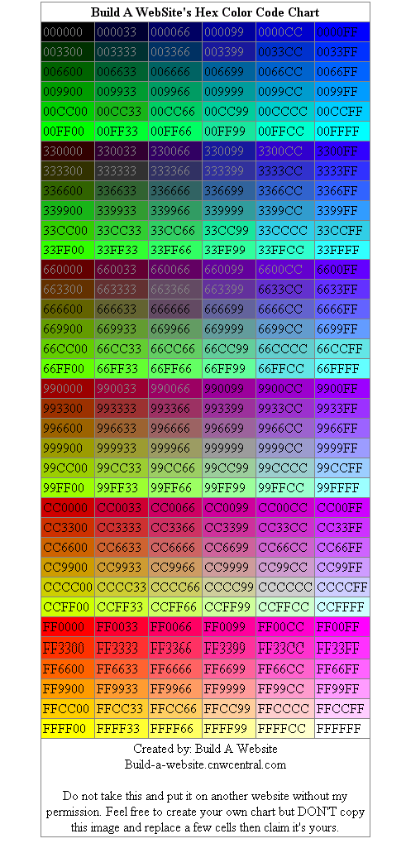
Hex - Server Color Scheme's | Callback |  | Fernando Fessoa
Server Positive (Player) | sPPlayer | 00FF99 | FF
Server Negative (Player) | sNPlayer | FF0000 | FF
Server Connected | sConnected | 009999 | FF
Server Player Banned | sBanned | FF0033 | FF
Server Disconnected | sDisconnected | CC0000 | FF
PSP (Policia de Segurança Publica) | PSP | 3366FF | FF
Groove | Groove | 009900 | FF
Los Vagos | LosVagos | FFFF00 | FF
Ballas | Ballas | 9900FF | FF
Los Aztecas | LosAztecas | 33FFFF | FF
Mafia Lusitana | Mafia | FF9900 | FF
Cartel de Corroios | Cartel | 996600 | FF
Talibans | Talibans | FF00FF | FF
Deposito |  | 33FF00 | FF
Levantamento |  | FF0000 | FF
Roubos | cRoubo/hRoubo | CC9900 | FF
Wanted Raised | uWanted | 990033 | FF
Resp Raised | uResp | FFCC66 | FF
Novato 2 | uNovato2 | 3366CC | FF
Novato 1 | uNovato1 | 339999 | FF

 |  |  |  | // COLOR START #define COLOR_LIGHTBLUE 0x33CCFFAA #define COLOR_RED 0xAA3333AA #define COLOR_GREY 0xAFAFAFAA #define COLOR_YELLOW 0xFFFF00AA #define COLOR_PINK 0xFF66FFAA #define COLOR_BLUE 0x0000BBAA #define COLOR_WHITE 0xFFFFFFAA #define COLOR_DARKRED 0x660000AA #define COLOR_ORANGE 0xFF9900AA #define COLOR_BRIGHTRED 0xFF0000AA #define COLOR_INDIGO 0x4B00B0AA #define COLOR_VIOLET 0x9955DEEE #define COLOR_LIGHTRED 0xFF99AADD #define COLOR_SEAGREEN 0x00EEADDF #define COLOR_GRAYWHITE 0xEEEEFFC4 #define COLOR_LIGHTNEUTRALBLUE 0xabcdef66 #define COLOR_GREENISHGOLD 0xCCFFDD56 #define COLOR_LIGHTBLUEGREEN 0x0FFDD349 #define COLOR_NEUTRALBLUE 0xABCDEF01 #define COLOR_LIGHTCYAN 0xAAFFCC33 #define COLOR_LEMON 0xDDDD2357 #define COLOR_MEDIUMBLUE 0x63AFF00A #define COLOR_NEUTRAL 0xABCDEF97 #define COLOR_BLACK 0x00000000 #define COLOR_NEUTRALGREEN 0x81CFAB00 #define COLOR_DARKGREEN 0x12900BBF #define COLOR_LIGHTGREEN 0x24FF0AB9 #define COLOR_DARKBLUE 0x300FFAAB #define COLOR_BLUEGREEN 0x46BBAA00 #define COLOR_PINK 0xFF66FFAA #define COLOR_LIGHTBLUE 0x33CCFFAA #define COLOR_DARKRED 0x660000AA #define COLOR_ORANGE 0xFF9900AA #define COLOR_PURPLE 0x800080AA #define COLOR_GRAD1 0xB4B5B7FF #define COLOR_GRAD2 0xBFC0C2FF #define COLOR_RED1 0xFF0000AA #define COLOR_GREY 0xAFAFAFAA #define COLOR_GREEN 0x33AA33AA #define COLOR_RED 0xAA3333AA #define COLOR_YELLOW 0xFFFF00AA #define COLOR_WHITE 0xFFFFFFAA #define COLOR_BROWN 0x993300AA #define COLOR_CYAN 0x99FFFFAA #define COLOR_TAN 0xFFFFCCAA #define COLOR_PINK 0xFF66FFAA #define COLOR_KHAKI 0x999900AA #define COLOR_LIME 0x99FF00AA #define COLOR_SYSTEM 0xEFEFF7AA #define COLOR_GRAD2 0xBFC0C2FF #define COLOR_GRAD4 0xD8D8D8FF #define COLOR_GRAD6 0xF0F0F0FF #define COLOR_GRAD2 0xBFC0C2FF #define COLOR_GRAD3 0xCBCCCEFF #define COLOR_GRAD5 0xE3E3E3FF #define COLOR_GRAD1 0xB4B5B7FF // COLOUR END

